
 |  |  |  | CODE: |  |  | pl1051aa SN from 96D673
DESCRIPTION: |  | DRIVE |  | ANTRIEB | TRACTION | TRACCION | TRAZIONE
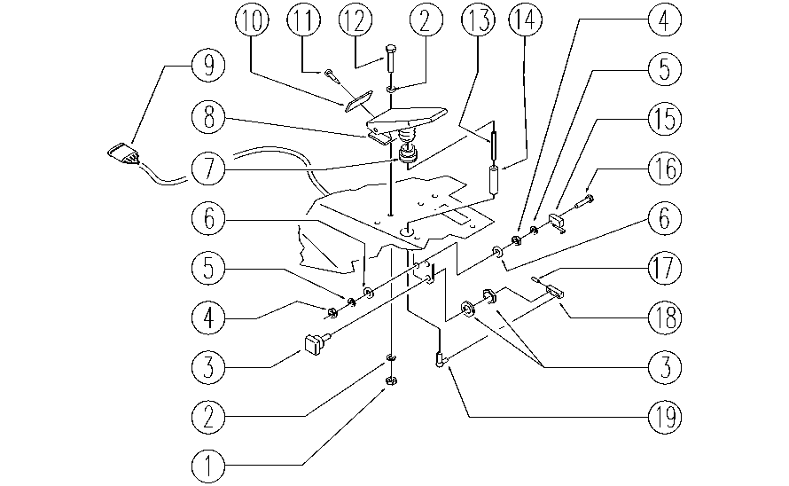

REF. | CODE | DESCRIPTION | QT
1 | E86552 | nut | 2
2 | E86707 | Cham Washer D10 | 4
3 | E86824 | Potentiometer | 1
4 | E89274 | Nut | 4
5 | E89275 | Washer | 4
6 | E86797 | Washer | 4
7 | E86364 | bushing AS36/WS36 | 1
8 | E89269 | Actuator pedal | 1
9 | SL23928 | WIRING | 1
10 | E89270 | Spacer | 1
11 | E89276 | Screw | 1
12 | E89486 | Screw | 2
13 | E89277 | Threaded bar | 1
14 | E89209 | Spacer | 1
15 | E86823 | Micro Switch | 1
16 | E86597 | screw | 2
17 | E87839 | Split Pin WS36T | 1
18 | E86760 | Potentiometer | 1
19 | E87840 | Articulation WS36T | 1

